README
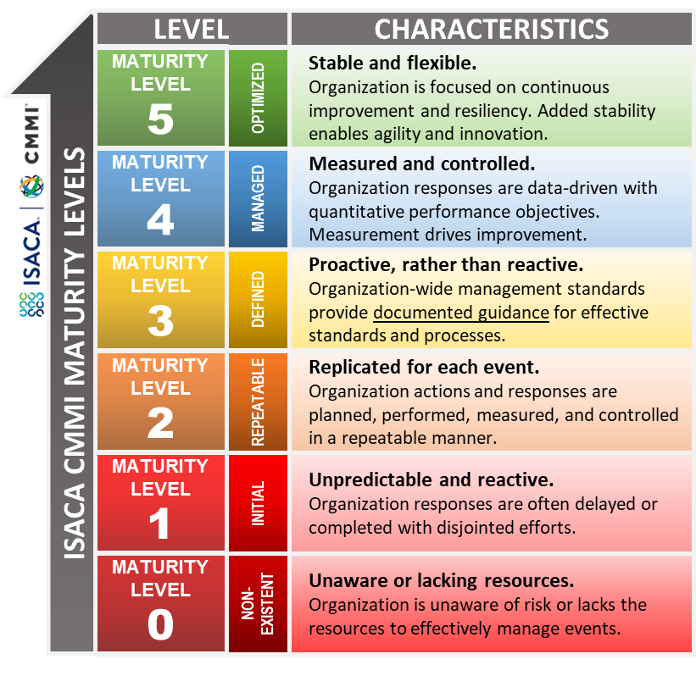
NIST Privacy Framework Assessment Tool

Print any worksheet using [CTRL] + P
About this tool
This tool allows you to measure your maturity for Categories and Functions from the NIST Privacy Framework which is based on the model for the Cybersecurity Framework (CSF). The approach presents a measurable approach for building a privacy program. NIST and ISACA use risk management frameworks and methodologies for continuous assessment and investment into the maturity of the people, processes, and tools that support cybersecurity and privacy for the organization.
How to use this tool
Fill out the Questions worksheet by assigning current maturity levels and the desired outlook for each one of the subcategories. Optionally, there's room to document evidence, planned improvements, and additional discussion. Assessment results are shown on each of the worksheets in real time. Categories are represented as averages of the subcategories, and functions are represented as averages of the categories.
Review the ISACA CMMI levels in the charts.

RESULTS
NIST Privacy Framework Current State vs. Desired State Assessment Results
Assessment results are shown individually for each one of the categories, and grouped by function.
Categories are represented as averages of the subcategories, and functions are represented as averages of the categories.

FUNCTION | CURRENT | DESIRED |  |  | CATEGORIES
IDENTIFY-P (ID-P) | 2 | 4 |  | 2 | Inventory and Mapping (ID.IM-P) | ID.IM | Inventory and Mapping (ID.IM-P) | 2 | 4 | Repeatable | Managed
 |  |  |  | 2 | Business Environment (ID.BE-P) | ID.BE | Business Environment (ID.BE-P) | 3 | 4 | Defined | Managed
 |  |  |  | 2 | Risk Assessment (ID.RA-P) | ID.RA | Risk Assessment (ID.RA-P) | 1 | 4 | Initial | Managed
 |  |  |  | 2 | Data Processing Ecosystem Risk (ID.DE-P) | ID.DE | Data Processing Ecosystem Risk (ID.DE-P) | 1 | 5 | Initial | Optimized
GOVERN-P (GV-P) | 3 | 4 |  | 3 | Governance Policies and Processes (GV.PO-P) | GV.PO | Governance Policies and Processes (GV.PO-P) | 3 | 4 | Defined | Managed
 |  |  |  | 3 | Risk Management Strategy (GV.RM-P) | GV.RM | Risk Management Strategy (GV.RM-P) | 3 | 4 | Defined | Managed
 |  |  |  | 3 | Awareness and Training (GV.AT-P) | GV.AT | Awareness and Training (GV.AT-P) | 3 | 4 | Defined | Managed
 |  |  |  | 3 | Monitoring and Review (GV.MT-P) | GV.MT | Monitoring and Review (GV.MT-P) | 3 | 4 | Defined | Managed
CONTROL-P (CT-P) | 3 | 5 |  | 3 | Data Processing Policies and Processes (CT.PO-P) | CT.PO | Data Processing Policies and Processes (CT.PO-P) | 3 | 5 | Defined | Optimized
 |  |  |  | 3 | Data Processing Management (CT.DM-P) | CT.DM | Data Processing Management (CT.DM-P) | 1 | 4 | Initial | Managed
 |  |  |  | 3 | Disassociated Processing (CT.DP-P) | CT.DP | Disassociated Processing (CT.DP-P) | 3 | 4 | Defined | Managed
COMMUNICATE-P (CM-P) | 3 | 5 |  | 3 | Communication Policies and Processes (CM.PO-P) | CM.PO | Communication Policies and Processes (CM.PO-P) | 2 | 5 | Repeatable | Optimized
 |  |  |  | 3 | Data Processing Awareness (CM.AW-P) | CM.AW | Data Processing Awareness (CM.AW-P) | 3 | 4 | Defined | Managed
PROTECT-P (PR-P) | 3 | 4 |  | 3 | Data Protection Policies and Processes (PR.PO-P) | PR.PO | Data Protection Policies and Processes (PR.PO-P) | 2 | 3 | Repeatable | Defined
 |  |  |  | 3 | Identity Mgmt and Access Control (PR.AC-P) | PR.AC | Identity Mgmt and Access Control (PR.AC-P) | 3 | 5 | Defined | Optimized
 |  |  |  | 3 | Data Security (PR.DS-P) | PR.DS | Data Security (PR.DS-P) | 3 | 4 | Defined | Managed
 |  |  |  | 3 | Maintenance (PR.MA-P) | PR.MA | Maintenance (PR.MA-P) | 3 | 4 | Defined | Managed
 |  |  |  | 3 | Protective Technologies (PR.PT-P) | PR.PT | Protective Technologies (PR.PT-P) | 3 | 4 | Defined | Managed

NIST Privacy Framework aSSESSMENT rESULTS
 |  |  |  |  |  |  |  | Current State |  | Desired State

FUNCTION | CURRENT | DESIRED | GROWTH
IDENTIFY-P (ID-P) | 2 | 4 | 2
GOVERN-P (GV-P) | 3 | 4 | 1
CONTROL-P (CT-P) | 3 | 5 | 2
COMMUNICATE-P (CM-P) | 3 | 5 | 2
PROTECT-P (PR-P) | 3 | 4 | 1

